Current Statement
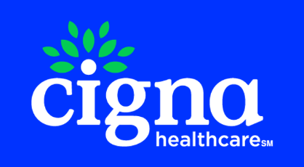
 |  |  | MAIN LINE BENEFITS LLC
 |  |  | Cigna Medicare Commission
 |  |  | 2024-12-06

Cigna Agent Resource Line (CARL): 1- 866-442-7516

Payment Type | Beneficiary Name | Medicare Number | Cigna Member Id | Effective Date | Termination Date | Signature Date | State | Payment Amount | Cigna Agent Id | Agent NPN | Agent | GA | Adjustment Notes
VBE | YOUNG, WARREN | 1D03UA8NJ76 | 37119416 | 2024-11-01 | 2078-12-31 | 2024-10-30 | PA | 50 | C475237 | 18710070 | MICHELLE MCCORKLE | MAIN LINE BENEFITS LLC | 2024 VBE-Digital Incentive Payment
VBE | YOUNG, WARREN | 1D03UA8NJ76 | 37119416 | 2024-11-01 | 2078-12-31 | 2024-10-30 | PA | 75 | C475237 | 18710070 | MICHELLE MCCORKLE | MAIN LINE BENEFITS LLC | 2024 VBE-HRA Admin Fee
New Application | YOUNG, WARREN | 1D03UA8NJ76 | 37119416 | 2024-11-01 | 2078-12-31 | 2024-10-30 | PA | 57.5 | C475237 | 18710070 | MICHELLE MCCORKLE | MAIN LINE BENEFITS LLC |  | HEARTLAND FINANCIAL GROUP INC | INTEGRITY MARKETING GROUP NV, LLC | NEW APP PAYMENT
New Application | YOUNG, WARREN | 1D03UA8NJ76 | 37119416 | 2024-11-01 | 2078-12-31 | 2024-10-30 | PA | 80 | C475237 | 18710070 | MICHELLE MCCORKLE | MAIN LINE BENEFITS LLC |  |  | INTEGRITY MARKETING GROUP NV, LLC | NEW APP PAYMENT

